Instructions
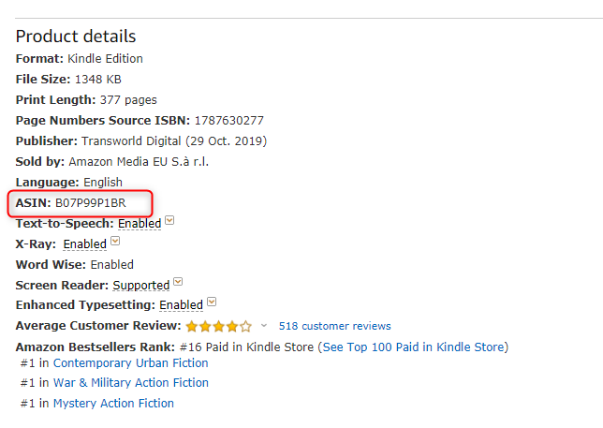
Python Developer Exercise

 | Exercise Context

 | Here at the Growth and Analytics team we like to automate and optimise our processes within the company. In the first part of this exercise we would like to automate the social media posts for Twitter in one of our HC divisions. The aim is to develop a small project in which, given an excel file with variables such as post text, image and time to post can automatically tweet and schedule posts on Twitter. The final part of this exercise will consist of drawing a system design diagram for a web scrape.

 | Delivery Method
 | The project must be developed following Python best practices (PEP8) and correctly organised in folders within the respective modules (main, in, out, src, api, etc...). Also remember to add a requeriments.txt containing the python libraries have you been using.
 | Either Functional Programming or Object-Oriented Programming style is fine.
 | Upload the project in your personal github and share the link of the repository. Remember that each project should be clone & run available after installing the required python libraries.


 | Steps

 | Ex. 1 | AUTOMATING TWITTER
 | 1 | Our stakeholders have provided a table of tweets, times and images they need to schedule, which you can find on the data_table tab (from this excel file).
 | 2 | Since we would like to improve our branding visibility, each post containing an image needs to have the company logo embedded in the picture. Please, merge the company logo with the picture from the post_img link to look like the cover displayed here.
 | 3 | Set up a process that automatically schedules and sends the tweets based on the post_datetime variable*.
 |  | * You can modify the post_datetime variable in order to try this function (e.g. uploading one post every 5 minutes).
 | 5 | Write unit tests where appropriate in order to cover your core functionality.

 | Ex. 2 | SYSTEM DESIGN DIAGRAM
 | 6 | Our team requires to keep track of competitor title's prices and ranking on Amazon. The expected information to provide is the following one: Title, Author, Publisher, Publication Date and Ebook format price. Please design a system diagram considering the following constraints and needs:
 |  | 1. Each Amazon title's information should be updated once per day.
 |  | 2. You are provided with an initial list of 100,000 ASINs from competitors.
 |  | 3. This list should be grown by crawling Amazon to identify more competitors. For instance, one way to find more competitors would be to scrape the page https://www.amazon.co.uk/Kindle-eBooks-books/b?ie=UTF8&node=341689031. Can you think of any other methods that could provide us with 5-10K more ASIN from competition?
 |  | 4. Assume you have a complete list of our own titles (ASIN) in order to distinguish competitors from our HCP titles.

 | ASIN Code: this is the unique identifier for any given ebook on Amazon.co.uk. For instance, it can be found in the url or in the html related to the URL for any given ebook.
 | https://www.amazon.co.uk/Blue-Moon-Jack-Reacher-24-ebook/dp/B07P99P1BR/ref=lp_341689031_1_1?s=digital-text&ie=UTF8&qid=1574421406&sr=1-1
 | Note that the above URL can be shortened to https://www.amazon.co.uk/dp/B07P99P1BR/ and achieve the same results than the long format.

